FinDispatchDataParameter - Phys
 | Separate for Day Ahead and Real-Time markets |  |  |  | PHYSICAL UNIT REFERENCE LEVELS (CTs are assumed to have identical reference levels)
# | Parameter | Unit | Description | Formula (Not Quick Start Resources) | Reference value/cost (CT Unit) - Summer |  |  |  |  | Reference value/cost (CT Unit) - Winter |  |  |  |  | Reference value/cost (ST Unit) - Summer |  |  |  |  |  |  |  |  | Reference value/cost (ST Unit) - Winter
1 | Energy offer | $/MWh | For an energy offer, the IESO will establish an energy offer reference level curve for each set of offer parameters. This will include up to 20 non-decreasing values of the energy reference level to form a monotonically increasing cost curve. This energy reference level curve will be used for the conduct and impact testing of the price quantity pairs submitted by the market participant. For combined cycle facilities, market participants must provide the following energy offer reference levels that correspond to physical units and pesudo units, as applicable |  | Operating Load (MW) |  |  |  |  | Operating Load (MW) |  |  |  |  | Operating Load (MW) |  |  |  |  |  |  |  |  | Operating Load (MW)
 |  |  |  |  | 0-67.5 MW | 67.6 - 94.5MW | 94.5 - 108 MW | 108.1-121.5MW | 121.6-135MW | 0-78.75MW | 78.76-110.25 MW | 110.26-126MW | 126.1-141.75 MW | 141.76-157.5MW | 0 - 33.75 MW | 33.76 - 47.25 MW | 47.26 - 54 MW | 54.1 - 60.75 MW | 60.76 MW - 67.5 MW | 67.6 MW - 94.5 MW | 94.6 MW - 108 MW | 108.1 MW - 121.5 MW | 121.5 MW - 135 MW | 0 - 39.4 MW | 39.5 - 55.1 MW | 55.2 - 63 MW | 63.1 - 70.9 MW | 71 - 78.75 MW | 78.76-110.25 MW | 110.26-126MW | 126.1-141.75 MW | 141.76-157.5MW
 |  |  |  |  | $21.08 | $23.04 | $24.02 | $25.00 | $25.97 | $20.08 | $21.97 | $22.91 | $23.86 | $24.80 | $3.10 | $3.10 | $3.10 | $3.10 | $3.10 | $3.10 | $3.10 | $3.10 | $3.10 | $3.10 | $3.10 | $3.10 | $3.10 | $3.10 | $3.10 | $3.10 | $3.10 | $3.10
2 | Speed no-load offer | $/hour | The IESO will establish speed no-load reference levels only for generation resources for which market participants are eligible to submit speed no-load offers. The market participants will submit a single value per thermal state applicable to each hour up to a maximum of 24 values. Therefore, for speed no-load offers, the IESO will determine a single reference level for each thermal state. |  | $2,230.76 |  |  |  |  | $2,155.90 |  |  |  |  | $130.00 |  |  |  |  |  |  |  |  | $130.00
 | Start-up offer | $/start | The IESO will establish start-up reference levels only for generation resources for which market participants are eligible to submit start-up offers offers. The market participants will submit a single value per thermal state for each hour up to a maximum of 24 values. Therefore, for start-up offers, the IESO will determine a single reference level for each thermal state. For combined cycle facilities, market participants must provide the following start-up offer reference levels that correspond to physical units and pesudo units, as applicable | 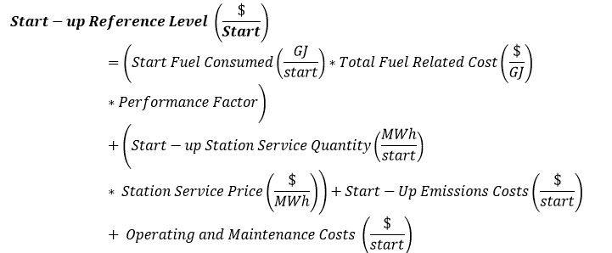 | Hot | $10,913.30 |  |  |  | Hot | $10,854.72 |  |  |  | Hot |  | $3,195.00 |  |  |  |  |  |  | Hot |  | $3,195.00
 |  |  |  |  | Warm | $12,521.34 |  |  |  | Warm | $12,454.39 |  |  |  | Warm |  | $4,420.00 |  |  |  |  |  |  | Warm |  | $4,420.00
3 |  |  |  |  | Cold | $14,129.39 |  |  |  | Cold | $14,054.07 |  |  |  | Cold |  | $5,675.00 |  |  |  |  |  |  | Cold |  | $5,675.00
4 | Operating Reserve (OR) Offer | $/hr | For an operating reserve offer, the IESO will establish an operating reserve offer reference level curve for each operating reserve offer block. This will include up to 5 non-decreasing values of the operating reserve reference level to form a monotonically increasing cost curve. |  | $0.00 |  |  |  |  | $0.00 |  |  |  |  | $0.00 |  |  |  |  |  |  |  |  | $0.00

 |  |  | NOTE: PARAMETERS FOR ILLUSTRATIVE PURPOSES ONLY FOR THE EXAMPLE WORKSHEET
 |  |  | ICE NGX Union Gas Dawn Fixed Price Daily | 3.25 | $/GJ
 |  |  | Carbon Price | 30 | $/tCO2e
 |  |  | Station Service Price | 125 | $/MWh

