FinDispatchDataParameter-Phys
 | Separate for Day Ahead and Real-Time markets
# | Parameter | Unit | Description | Formula (Not Quick Start Resources) | Formula (Quick Start Resources) | Reference value/cost curve
1 | Energy offer | $/MWh | For an energy offer, the IESO will establish an energy offer reference level curve for each set of offer parameters. This will include up to 20 non-decreasing values of the energy reference level to form a monotonically increasing cost curve. This energy reference level curve will be used for the conduct and impact testing of the price quantity pairs submitted by the market participant. For combined cycle facilities, market participants must provide the following energy offer reference levels that correspond to physical units and pseudo units, as applicable |  | 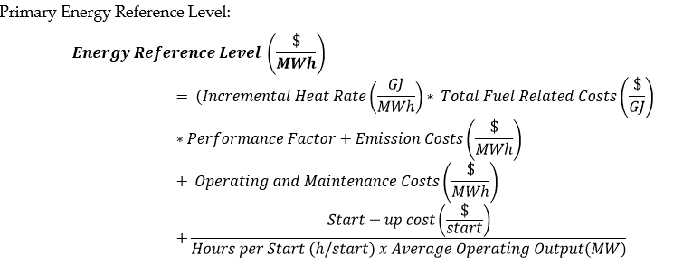
2 | Speed no-load offer | $/hour | The IESO will establish speed no-load reference levels only for generation resources for which market participants are eligible to submit speed no-load offers. The market participants will submit a single value per thermal state applicable to each hour up to a maximum of 24 values. Therefore, for speed no-load offers, the IESO will determine a single reference level for each thermal state. |  | Not applicable
3 | Start-up offer | $/start | The IESO will establish start-up reference levels only for generation resources for which market participants are eligible to submit start-up offers . The market participants will submit a single value per thermal state for each hour up to a maximum of 24 values. Therefore, for start-up offers, the IESO will determine a single reference level for each thermal state. For combined cycle facilities, market participants must provide the following start-up offer reference levels that correspond to physical units and pseudo units, as applicable | 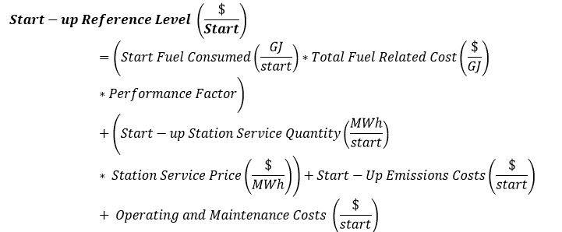 | Not applicable
4 | Operating Reserve (OR) Offer | $/hr | For an operating reserve offer, the IESO will establish an operating reserve offer reference level curve for each operating reserve offer block. This will include up to 5 non-decreasing values of the operating reserve reference level to form a monotonically increasing cost curve.

